Weighted avg truck incentives
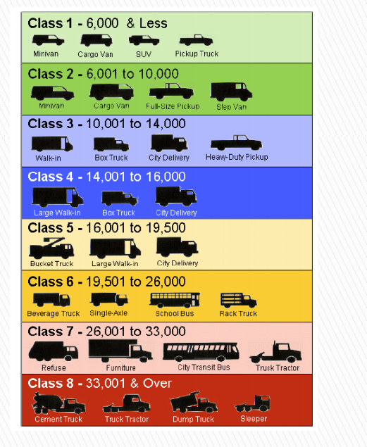
MDV - proportion of new sales by class

2-3 | 0.7370268443 | 25,000
4-5 | 0.090421185948 | 80000
6-7 | 0.10615066706 | 80000
8 | 0.066401302696 | 150,000

Rough weighted average: |  | 44111.614752

Suppose 25% of trucks are purchased without incentives.

Implies this result |  | 33083.711064

7-8 tractors |  | 150000

